Sheet1
FPST 2343 | 2020-04-17 | Ch. 8 Review Questions |  |  | Agnew, Robert, J. |  | 1/1

Problem No. 11
A solvent dip tank is equipped with a 2.5 ft. long flanged slot hood to exhaust vapors, and the hood volumetric flow rate is 1,5000 ft^3/min. If this hood needs a minimum capture velocity of 100 ft/min to protect the workers from exposure, how wide in inches can the solvent tank be to maintain the minimum capture velocity across the thank?

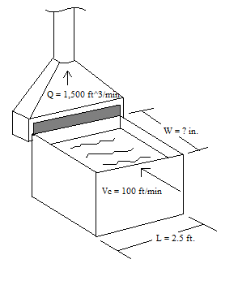
Given:

Length (L) = | 2.5 | ft
Flow (Q) = | 1,500 | ft^3/min
Capture Velocity (Vc) = | 100 | ft/min | 2 sig figs

Find:

Width (W) in inches
# SigFigs = 2

Known:

 |  |  | Where:
 |  |  | L = Length of slot in ft.
 |  |  | V = Velocity at X distance from hood in ft/min
 |  |  | X = Distance from hood in ft.

1 ft = 12 in.

Assume:

Aspect ratio of slot hood ≤ 0.2 W/L

Solve:

Q = 2.6LVX
X=Q/[(2.6)(L)(V)]
x = | 2.3076923077 | ft.
x = | 27.692307692 | in. |  | x = | 28 | in.

Check:

Realistic = Yes / Units = Yes / SigFigs = Yes

